Instructions
INSTRUCTIONS
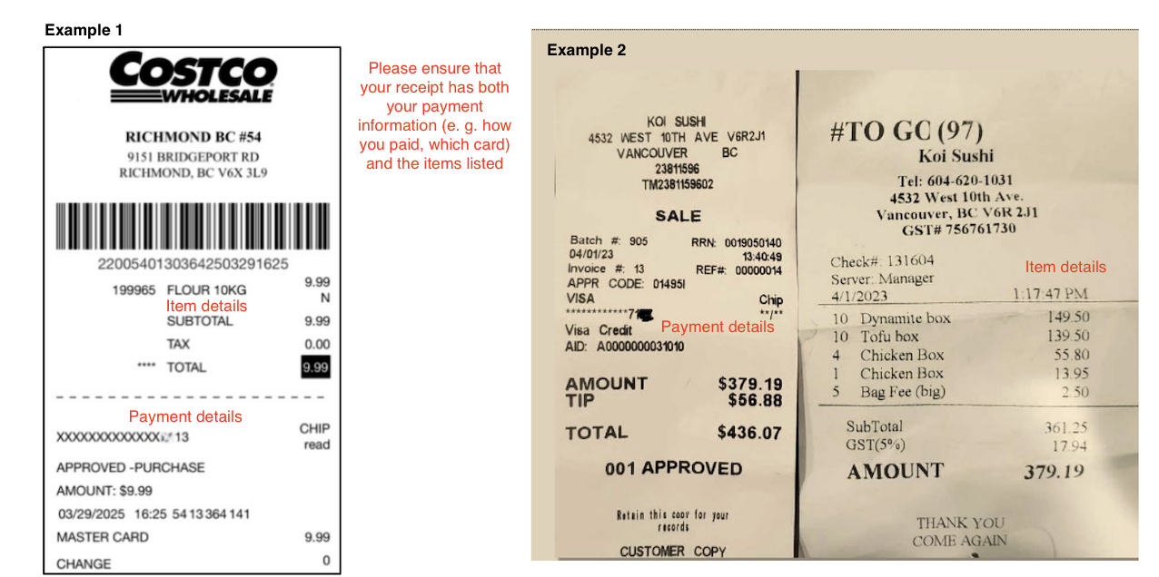 PLEASE READ OVER AND FOLLOW THE INSTRUCTIONS TO ENSURE PROPER REIMBURSEMENTS. THANK YOU!

1. Rename the file with your name in this format: "eTransfer-Form_FIRST_LASTname"
- e.g. "eTransfer-Form_Jane_Doe"
2. Fill out the "Form" tab
- Write the date (when the form was fillled out) in the top brown section
- Write a detailed description (i.e. event name) with the proper amount
- Check the total amount of the reimbursmsent (MUST be less than $1,500)
- Fill out the brown section with Name, Email address, Cell number, Student number
3. Add screenshots of the receipts/payment in the "Receipts" tab
- Please ensure that the images are within the white space provided
- The vendor, date, total amount, payment method (i.e. card #) must be clear
Example:
4. Add a snippet of your bank statement in the "Bank Statement" tab
- Bank statement MUST display your full name and the last 4 digits of the card used
- The card number must match the card number on the receipt
- If you used Apple Pay, the card details on the receipt may be different; please provide
a screenshot of your transaction history with that item
5. Once completed, email file as an excel to phus.finance@gmail.com.
If you have any more questions or concerns, please email phus.finance@gmail.com

